1. Title Page
Project Name: Instacart Grocery Basket Analysis
Date: April 5th, 2025
Analyst Name: Dirk Davis

Contents:
Population Flow
Consistency checks
Wrangling steps
Column derivations
Visualizations
Recommendations

Citations:

“The Instacart Online Grocery Shopping Dataset 2017”, Accessed from www.instacart.com/datasets/grocery-shopping-2017 via Kaggle on 3/21/2025.

Customer data and product prices are fictitious, created to enable the data analysis for a student project.

2. Population Flow
Title page

Population flow

Exclusion flag
Condition: max_order < 5
Observations to be removed: 1440045
Final total count of order_products_all: 30959687

Orders_products_combined
Orders_products_merged
Orders_products_all

Total: 32399732
Total: 32434489
Total: 30959687

1.) The grey boxes in the first row of the population flow represent the original data sets as they were when you downloaded them. In the Total fields you need to add the count of the rows when you imported the data set into Jupyter.
2.) The second row of boxes (coloured) represents the data sets after you manipulated them, e.g., removed missing values and duplicates. In the Total fields you need to add the count of the rows after conducting these operations. This offers a visual oveview of how the data flows throughout the data consistency checks.
3.) The third row, where also the arrows are coloured, represents the merges you performed between the datasets. In the Total fields you need to add the count of the rows in the merged datasets, so that you end up with the final dataset (in the red box). Keep in mind the final dataset should be without exclusions (based on the exclusion flag).

3. Consistency checks
 |  |  |  | Title page
Consistency checks

Dataset | Missing values | Missing values treatment | Duplicates
orders | days_since_prior_order: 206209 | No changes made; new customer first orders | No full duplicates found
products | product_name: 16 | Deleted records; created new subset df | 5 full duplicates deleted; created new subset df
orders_products_prior
customers

ords_prods_merge | Deleted 5127 records: 4429 where 'prices' = 14900 for 'Lowfat 2% Milkfat Cottage Cheese' and 698 where 'prices' = 99999 for '2 % Reduced Fat Milk'

ords_prods_cust | Deleted 1440045 records where 'max_order' < 5, as per Instacart CFO request to exclude low-activity customers from the data

4. Wrangling steps
 |  |  |  | Title page
Wrangling steps

Columns dropped | Columns renamed | Columns' type changed | Comment/Reason
eval_set from orders df |  |  | Not needed for the analysis. On the change, assigned resulting df to df_ords_2 to not overwrite original df.
 | order_dow to orders_day_of_week |  | For clarity.
 |  | order_id to string | Not needed in numerical form. Also as string dtype column will be ignored by .describe() function for descriptive stats.
 |  | user_id to string | Not needed in numerical form. Also as string dtype column will be ignored by .describe() function for descriptive stats.
 | First Name to first_name |  | Clarity, need lower case and no space between words, use underscore
 | Surnam to last_name |  | Same reason
 | Gender to gender; Age to age |  | Need lower case
 | fam_status to family_status |  | Clarity
 | STATE to state_name |  | Clarity, need lower case
 | n_dependants to number_dependents |  | Clarity
 |  | user_id to string | To match customers df datatype for the key identifier, user_id, to same datatype in ords_prods_merge df for a planned merge
 |  | first_name to string | Storage efficiency, ensure column is ignored in descriptive stats called via the .describe() method applied to a dataframe
 |  | last_name to string | Storage efficiency, ensure column is ignored in descriptive stats called via the .describe() method applied to a dataframe
 |  | gender to string | Storage efficiency, ensure column is ignored in descriptive stats called via the .describe() method applied to a dataframe
 |  | state_name to string | Storage efficiency, ensure column is ignored in descriptive stats called via the .describe() method applied to a dataframe
 |  | married_status to string | Storage efficiency, ensure column is ignored in descriptive stats called via the .describe() method applied to a dataframe
 |  | date_joined to datetime | datetime datatype allows date manipulations and is more efficient than storing dates as objects in python

5. Column derivations
 |  |  |  |  |  |  | Title page

Column derivations and aggregations

In this tab you should add tables below that the frequences of flags/label variables that you produced after deriving them. NB: don't do this for continuous variables, only for flags.
Dataset | New column | Column/s it was derived from | Conditions
ords_prods_merge | price_range_loc | prices | High-range product: prices > 15; Mid-range: prices <=15 & prices > 5; Low-range: prices <= 5
ords_prods_merge | busiest_day | orders_day_of_week | if 0: Busiest day; if 4: Least busy; else: Regularly busy (catches 1, 2, 3, 5, 6 values)
ords_prods_merge | busiest_days | orders_day_of_week | if in [0, 1]: Busiest days; if in [3, 4]: Slowest days; else: Regularly buys (catches 2, 5, 6) |  | Note: busiest_days derived column was subsequently deleted as not needed
ords_prods_merge | busiest_period_of_day | order_hour_of_day | Most orders: hours 9-17 inclusive; Average: 8 or 18-19 inclusive; Fewest: 0-7 and 20-23 inclusive
ords_prods_merge | max_order | user_id, order_number | Grouped by user_id, then calculates maximum value for order_number
ords_prods_merge | loyalty_flag | max_order | Loyal customer: > 40; Regular customer: > 10 and <= 40; New customer: <= 10
ords_prods_merge | mean_price_per_order | user_id, prices | Grouped by user_id, then calculates average price for prices
ords_prods_merge | spending_flag | mean_price_per_order | High spender: >=10; Low spender:<10
ords_prods_merge | median_days_since_prior_order | user_id, days_since_prior_order | Grouped by user_id, then calculates median of days_since_prior_order
ords_prods_merge | order_frequency_flag | median_days_since_prior_order | Frequent customer: <= 10; Regular customer: >10 and <=20; Non-frequent customer:>20
ords_prods_cust | region | state_name | 4 regions created: Northeast, South, Midwest, West, one of which mapped to each state
ords_prods_cust | cust_prof_1 | income, number_dependents | High Income ("HI") >= 125000; Low Income ("LI") < 125000; No Dependents = 0; Dependents >= 1
ords_prods_cust | cust_prof_2 | age, number_dependents | Mid & Older >= 42 years; Under Mid < 42; No Dependents = 0; Dependents >=1
ords_prods_cust | expenditure | prices | Grouped by user_id, and order_number, then sums prices

Note on 'orders_day_of_week' column: Saturday = 0, Sunday = 1, Monday = 2, Tuesday = 3, Wednesday = 4, Thursday = 5, Friday = 6. |  |  |  | Pre-derivation of busiest day(s)-labeled derived variables frequency table for 'orders_day_of_week' column (below) for comparison:

price_range_loc |  | busiest_day | busiest_days | orders_day_of_week
Mid-range product 21860860 |  | Regularly busy 22416875 | Regularly busy 12916111 | 0 6204182
Low-range product 10126321 |  | Busiest day 6204182 | Busiest days 11864412 | 1 5660230
High-range product 417678 |  | Least busy 3783802 | Slowest days 7624336 | 6 4496490
Name: count, dtype: int64 |  | Name: count, dtype: int64 | Name: count, dtype: int64 | 2 4213830
 |  |  |  | 5 4205791
busiest_period_of_day |  | loyalty_flag | spending_flag | 3 3840534
Most orders 23205725 |  | Regular customer 15876776 | Low spender 32280013 | 4 3783802
Average orders 4612925 |  | Loyal customer 10284093 | High spender 119719 | Name: count, dtype: int64
Fewest orders 4586209 |  | New customer 6243990 | Name: count, dtype: int64
Name: count, dtype: int64 |  | Name: count, dtype: int64 |  | Reference table of department_id mapped to department names

order_frequency_flag |  |  |  | department_id |  | department
Frequent customer 21556644 |  |  |  | 1 |  | frozen
Regular customer 7207340 |  |  |  | 2 |  | other
Non-frequent customer 3635743 |  |  |  | 3 |  | bakery
Name: count, dtype: int64 |  |  |  | 4 |  | produce
 |  |  |  | 5 |  | alcohol
 |  |  |  | 6 |  | international
 |  |  |  | 7 |  | beverages
 |  |  |  | 8 |  | pets
 |  |  |  | 9 |  | dry goods pasta
 |  |  |  | 10 |  | bulk
 |  |  |  | 11 |  | personal care
 |  |  |  | 12 |  | meat seafood
 |  |  |  | 13 |  | pantry
 |  |  |  | 14 |  | breakfast
 |  |  |  | 15 |  | canned goods
 |  |  |  | 16 |  | dairy eggs
 |  |  |  | 17 |  | household
 |  |  |  | 18 |  | babies
 |  |  |  | 19 |  | snacks
 |  |  |  | 20 |  | deli
 |  |  |  | 21 |  | missing

6. Visualizations
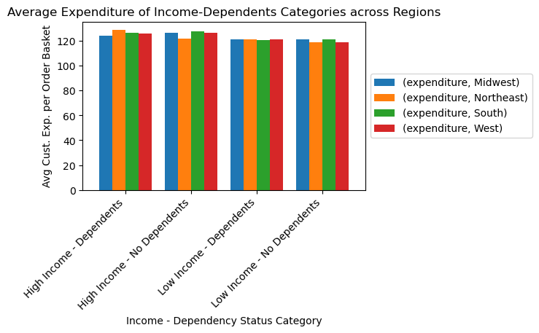
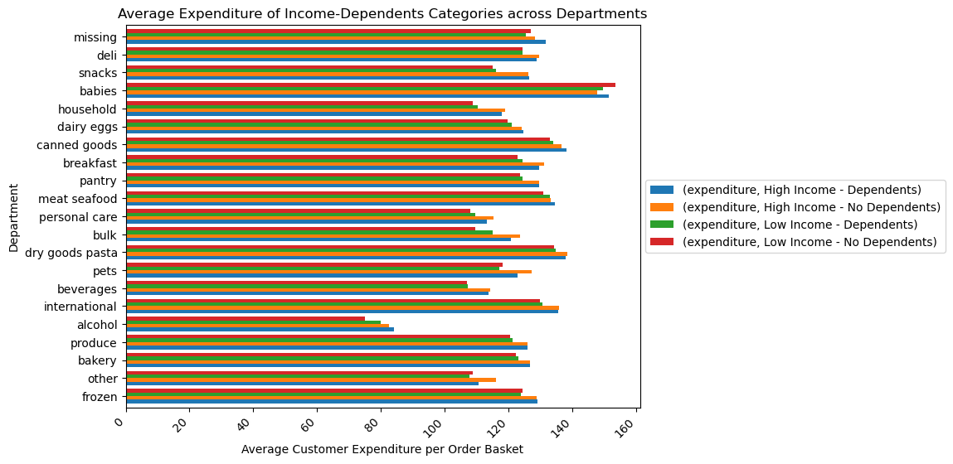
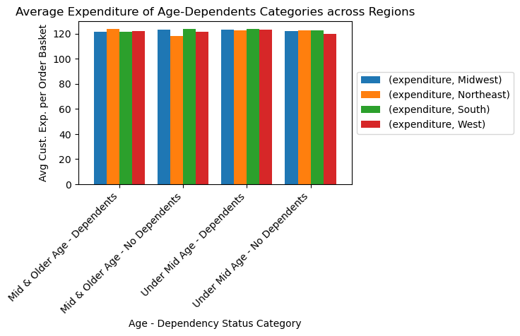
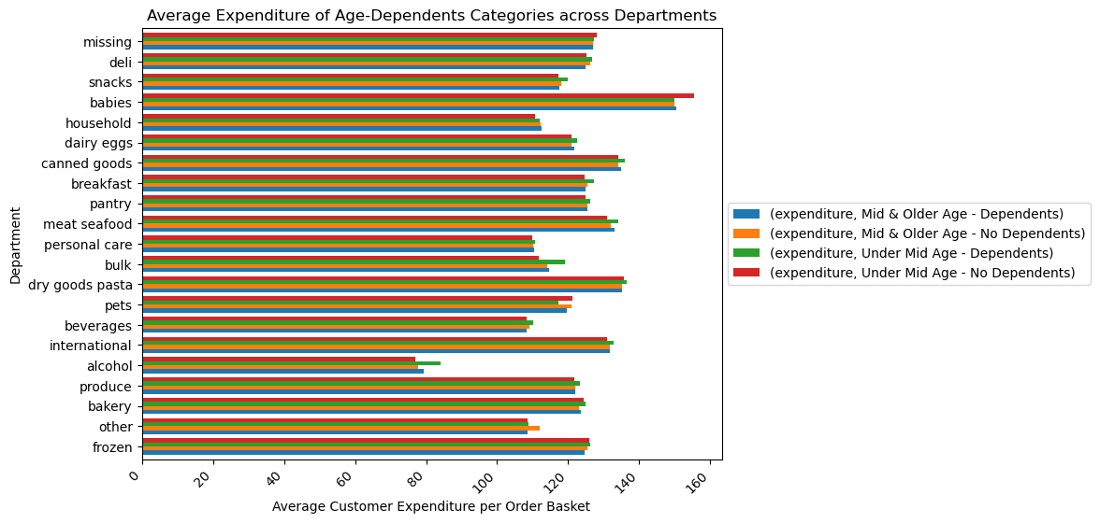
 |  |  |  |  |  |  |  |  | Title page

Visualisations

In this tab you should include all the visualizations from Exercises 4.9 and 4.10, alongside the questions from the project brief that they answer. Include any commentary on the relationship between different variables.

Question 1 |  | (See Recommendations tab)

 |  | Histogram of Order Frequency per Day of Week
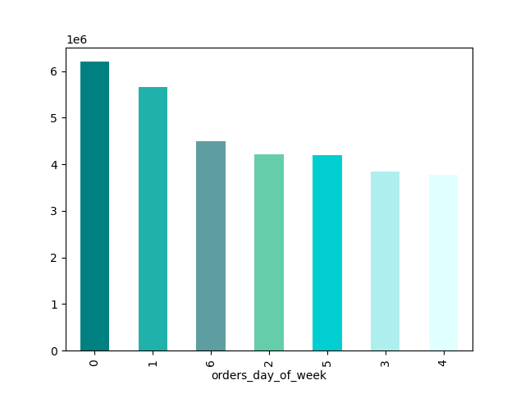

Count (millions)

 |  | Sat | Sun | Fri | Mon | Thu | Tue | Wed

 |  | Sat | Sun | Fri | Mon | Thu | Tue | Wed

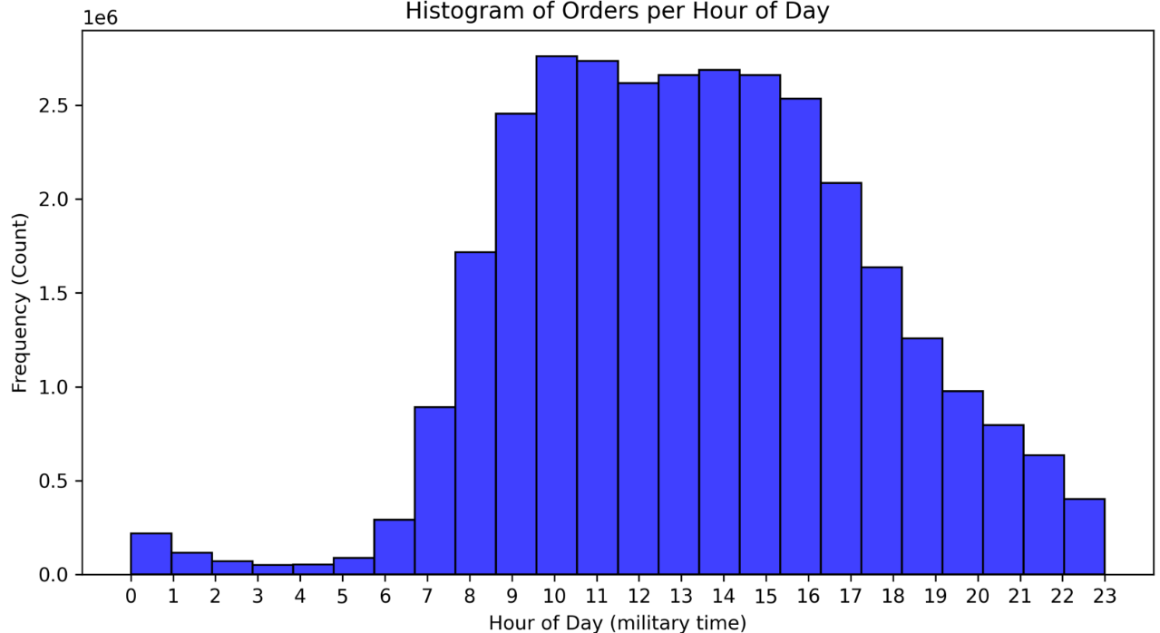

(millions)

Question 2 |  | (See Recommendations tab)

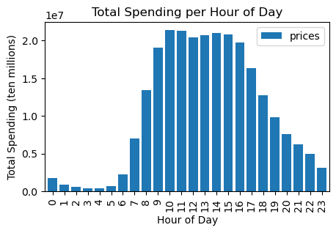

Question 3 |  | (See Recommendations tab)

 |  |  |  | Histogram of Orders per Product Price


Orders (millions)

 |  |  |  |  | Product Price

Question 5.2 |  | (See Recommendations tab)

 | Histogram of Order Frequency by Customer Loyalty Category
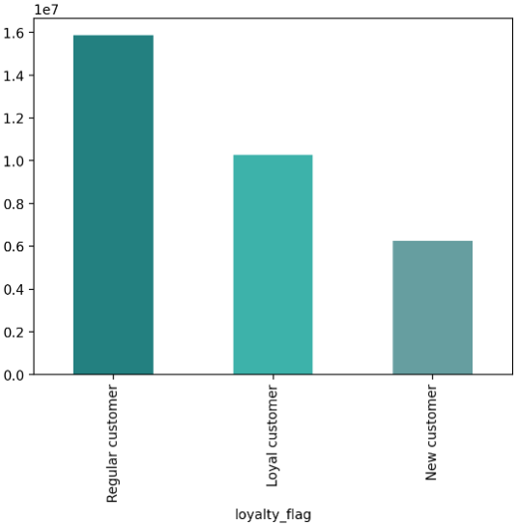

Number of orders (ten millions)

Question 5.5 |  | (See Recommendations tab)

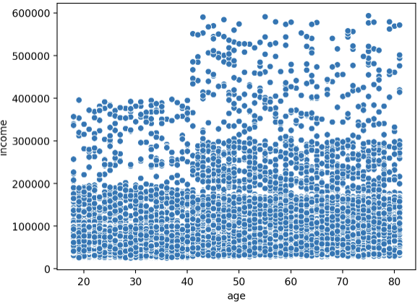

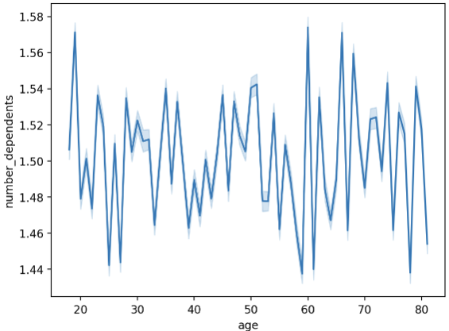

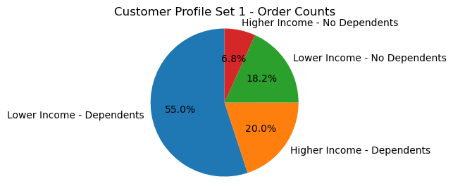

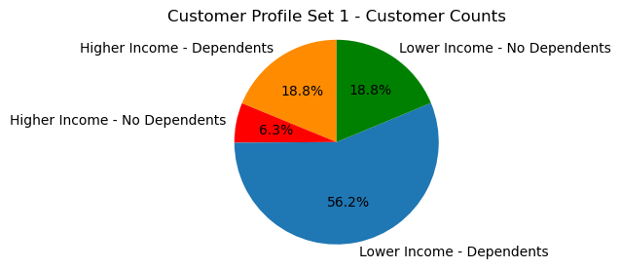

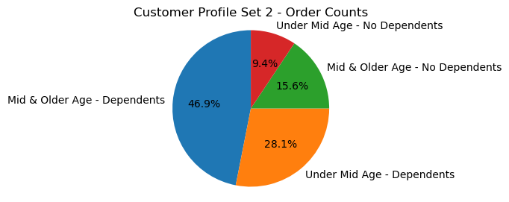

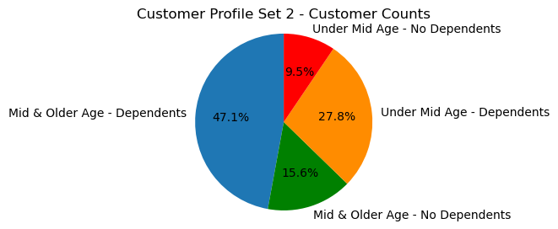

Question 5.6 |  | (See Recommendations tab)

7. Recommendations
 |  |  |  |  |  |  |  |  |  |  |  |  | Title page

Recommendations

In this tab you should include any recommendations you would make to Instacart in terms of their marketing strategy based on the questions posed in the brief. Every key question has been covered in the Tasks of the Exercises - here you need to add an item - a visualisation or table/crosstable that is showing the answer in the data, acompanied by a comment from you. Please, list the questions below and add the answer underneath.

 | Key Question 1 |  | The sales team needs to know what the busiest days of the week and hours of the
 |  |  | day are (i.e., the days and times with the most orders) in order to schedule ads at
 |  |  | times when there are fewer orders.

 | Answer |  | Saturdays and Sundays are the busiest days of the week, measured by aggregate order quantity.
 |  |  | By the same metric, 9 am - 5 pm is the busiest time of day. Tuesdays and Wednesdays are
 |  |  | the slowest days.

 | Recommendation |  | If advertising is targeted to slower periods that have less order volume, then Tuesdays and
 |  |  | Wednesdays outside of the 9 am to 5 pm peak hours may see attractive ad spend ROI.

ID | Order Count |  | Day of Week |  | Busyness Label |  | ANSWER |  |  |  | Versus 7-day Avg
0 | 6,204,182 |  | Saturday |  | Busiest |  | Saturdays & Sundays busiest |  |  |  | 134%
1 | 5,660,230 |  | Sunday |  | Busiest |  |  |  |  |  | 122%
6 | 4,496,490 |  | Friday |  | Average |  | Mondays, Thursdays, Fridays average |  |  |  | 97%
2 | 4,213,830 |  | Monday |  | Average |  |  |  |  |  | 91%
5 | 4,205,791 |  | Thursday |  | Average |  |  |  |  |  | 91%
3 | 3,840,534 |  | Tuesday |  | Slowest |  |  |  |  |  | 83%
4 | 3,783,802 |  | Wednesday |  | Slowest |  | Tuesdays and Wednesdays slowest |  |  |  | 82%
 | 4,629,266 |  | 7-day average |  |  |  |  |  |  |  | 100%

 |  |  | Histogram of Order Frequency per Day of Week

 | Count (millions)

 |  |  | Sat | Sun | Fri | Mon | Thu | Tue | Wed

 | Order Count |  | Order Hour of Day |  | Busyness Label |  | ANSWER |  |  |  | Versus 7-day Avg
 | 2,761,760 |  | 10 |  | Most orders |  | 9 am to 5 pm have hourly orders |  |  |  | 205%
 | 2,736,140 |  | 11 |  | Most orders |  | over 2 million orders |  |  |  | 203%
 | 2,689,136 |  | 14 |  | Most orders |  |  |  |  |  | 199%
 | 2,662,144 |  | 15 |  | Most orders |  |  |  |  |  | 197%
 | 2,660,954 |  | 13 |  | Most orders |  |  |  |  |  | 197%
 | 2,618,532 |  | 12 |  | Most orders |  |  |  |  |  | 194%
 | 2,535,202 |  | 16 |  | Most orders |  |  |  |  |  | 188%
 | 2,454,203 |  | 9 |  | Most orders |  |  |  |  |  | 182%
 | 2,087,654 |  | 17 |  | Most orders |  |  |  |  |  | 155%
 | 1,718,118 |  | 8 |  | Average orders |  | 8 am and 6 to 7 pm have hourly |  |  |  | 127%
 | 1,636,502 |  | 18 |  | Average orders |  | orders in the 1 to 2 million orders |  |  |  | 121%
 | 1,258,305 |  | 19 |  | Average orders |  | range |  |  |  | 93%
 | 976,156 |  | 20 |  | Fewest orders |  |  |  |  |  | 72%
 | 891,054 |  | 7 |  | Fewest orders |  |  |  |  |  | 66%
 | 795,637 |  | 21 |  | Fewest orders |  |  |  |  |  | 59%
 | 634,225 |  | 22 |  | Fewest orders |  | 8 pm to 7 am (next day) have |  |  |  | 47%
 | 402,316 |  | 23 |  | Fewest orders |  | hourly orders below 1 million |  |  |  | 30%
 | 290,493 |  | 6 |  | Fewest orders |  | orders |  |  |  | 22%
 | 218,769 |  | 0 |  | Fewest orders |  |  |  |  |  | 16%
 | 115,700 |  | 1 |  | Fewest orders |  |  |  |  |  | 9%
 | 87,961 |  | 5 |  | Fewest orders |  |  |  |  |  | 7%
 | 69,375 |  | 2 |  | Fewest orders |  |  |  |  |  | 5%
 | 53,242 |  | 4 |  | Fewest orders |  |  |  |  |  | 4%
 | 51,281 |  | 3 |  | Fewest orders |  |  |  |  |  | 4%
 | 1,350,202 |  | Per-hour average |  |  |  |  |  |  |  | 100%

 | * 24-hour military time for Order Hour of Day clock. Time rounded to hours, not minutes.

 | (millions)

 | Key Question 2 |  | They also want to know whether there are particular times of the day when people
 |  |  | spend the most money, as this might inform the type of products they advertise at
 |  |  | these times.

 | Answer |  | The 8 am - 5 pm time bucket sees peak expenditures each day.

 | Recommendation |  | Advertise the relevant products during the 8 am - 5 pm peak sales hours, since this is when
 |  |  | people are engaged and spend the most money.

Rank | Total Spent |  | Order Hour of Day
1 | $21,399,998 |  | 10
2 | $21,261,918 |  | 11
3 | $20,979,668 |  | 14
4 | $20,777,236 |  | 15
5 | $20,734,934 |  | 13
6 | $20,392,993 |  | 12
7 | $19,777,858 |  | 16
8 | $19,026,014 |  | 9
9 | $16,294,343 |  | 17
10 | $13,383,027 |  | 8
11 | $12,778,651 |  | 18
12 | $9,805,649 |  | 19
13 | $7,613,150 |  | 20
14 | $6,967,056 |  | 7
15 | $6,209,528 |  | 21
16 | $4,957,118 |  | 22 |  |  | ANSWER
17 | $3,136,697 |  | 23 |  |  | 8 am - 5 pm daytime hours saw the greatest
18 | $2,270,681 |  | 6 |  |  | total monies spent.
19 | $1,708,627 |  | 0
20 | $902,988 |  | 1 |  |  | ("Total Spent" is measured across time.)
21 | $688,440 |  | 5
22 | $540,953 |  | 2
23 | $417,265 |  | 4
24 | $401,331 |  | 3

* 24-hour military time for Order Hour of Day clock. Time rounded to hours, not minutes.

 | Key Question 3 |  | Instacart has a lot of products with different price tags. Marketing and sales want to
 |  |  | use simpler price range groupings to help direct their efforts.

 | Answer |  | Product demand all but disappears above the $15 price point.

 | Recommendation |  | Use the simpler price range groupings as below:

 | Order Count |  | Grouping |  |  | Inclusion Criteria
 | 417,678 |  | High Price Range |  |  | Product Price > $15
 | 21,860,860 |  | Mid Price Range |  |  | $5 < Product Price <= $15
 | 10,126,321 |  | Low Price Range |  |  | Product Price <= $5

 |  |  |  |  | Histogram of Orders per Product Price

 | Orders (millions)

 |  |  |  |  |  | Product Price

 | Key Question 4 |  | Are there certain types of products that are more popular than others? The marketing
 |  |  | and sales teams want to know which departments have the highest frequency of
 |  |  | product orders.

 | Answer |  | Produce and Dairy & Eggs have the highest frequency of product orders. The leadership
 |  |  | position of these two (2) departments also carries over to a separate metric, total monies
 |  |  | spent over the data time period (190 days).

 |  | Dept
Rank | Order Count | ID | Department |  |  | ANSWER
1 | 9,479,291 | 4 | produce |  |  | The produce department and dairy & eggs department have
2 | 5,393,620 | 16 | dairy eggs |  |  | the highest frequencies of product orders.
3 | 2,887,550 | 19 | snacks
4 | 2,688,123 | 7 | beverages
5 | 2,234,743 | 1 | frozen
6 | 1,875,369 | 13 | pantry
7 | 1,172,428 | 3 | bakery
8 | 1,068,058 | 15 | canned goods
9 | 1,051,249 | 20 | deli
10 | 866,627 | 9 | dry goods pasta
11 | 738,666 | 17 | household
12 | 708,927 | 12 | meat seafood
13 | 703,033 | 14 | breakfast
14 | 447,572 | 11 | personal care
15 | 423,802 | 18 | babies
16 | 269,253 | 6 | international
17 | 153,696 | 5 | alcohol
18 | 97,716 | 8 | pets
19 | 69,145 | 21 | missing
20 | 36,291 | 2 | other
21 | 34,573 | 10 | bulk

 |  | Dept
Rank | Total Spent | ID | Department |  |  | ELABORATION
1 | $75,660,935 | 4 | produce |  |  | If we look at a separate metric, total monies spent, we also
2 | $44,956,125 | 16 | dairy eggs |  |  | see the produce and dairy & eggs departments as leaders.
3 | $20,646,135 | 7 | beverages
4 | $17,289,207 | 1 | frozen |  |  | ("Total Spent" is measured across time.)
5 | $15,020,661 | 13 | pantry
6 | $12,345,538 | 19 | snacks |  |  | Some department rankings shifted based on this metric,
7 | $11,551,570 | 12 | meat seafood |  |  | compared to the order frequency metric, but not the top 2
8 | $9,208,026 | 3 | bakery |  |  | rankings for produce and dairy & eggs.
9 | $8,177,352 | 20 | deli
10 | $8,053,132 | 15 | canned goods
11 | $6,369,954 | 9 | dry goods pasta
12 | $5,644,626 | 14 | breakfast
13 | $5,454,353 | 17 | household
14 | $3,579,130 | 11 | personal care
15 | $3,237,161 | 18 | babies
16 | $2,068,473 | 6 | international
17 | $1,251,654 | 5 | alcohol
18 | $770,888 | 8 | pets
19 | $598,845 | 21 | missing
20 | $288,649 | 10 | bulk
21 | $253,708 | 2 | other

 | Key Question 5 |  | The marketing and sales teams are particularly interested in the different types of
 |  |  | customers in their system and how their ordering behaviors differ. For example:

 | 5.1 |  | What is the distribution among users in regards to their brand loyalty (i.e., how
 |  |  | often do they return to Instacart)?

 | Answer |  | Frequent customers typically return within 10 days, regulars between 10 and 20 days, and
 |  |  | non-frequents over 20 days. Frequent customers have the largest order count, followed by
 |  |  | regulars and non-frequents.

 | Order Count | Customer Category |  |  | Inclusion Criteria
 | 21,556,644 | Frequent customer |  |  | Has a median <= 10 days since prior order
 | 7,207,340 | Regular customer |  |  | Has a Median > 10 days and <= 20 days since prior order
 | 3,635,743 | Non-frequent customer |  |  | Has a Median > 20 days since prior order

 | 5.2 |  | Are there differences in ordering habits based on a customer's loyalty status?

 | Answer |  | Largest order size of loyal customers historically exceeded 40 orders, for regular customers it
 |  |  | ranged from 10 to 40 orders, and for new customers up to 10 orders. Regular customers have
 |  |  | the largest order count, followed by loyal customers and in last place, new customers.

 | Order Count | Loyalty Status |  |  | Inclusion Criteria
 | 15,876,776 | Regular customer |  |  | Past maximum order size of regulars falls between 10 and 40 orders
 | 10,284,093 | Loyal customer |  |  | Past maximum order size of loyal customers exceed 40 orders
 | 6,243,990 | New customer |  |  | Past maximum order size of new customers is up to 10 orders

 |  | Histogram of Order Frequency by Customer Loyalty Category

 | Number of orders (ten millions)

 | 5.3 |  | Are there differences in ordering habits based on a customer's region?

 | Answer |  | Based on "High Spender" order count proportion of total order count within a region, the
 |  |  | Midwest, South and West have a slightly higher proportion of high spenders than the Northeast.
 |  |  | However, the differences are negligible since "High Spender" orders make up a tiny (less than
 |  |  | 0.5%) proportion of all orders.

 |  |  | Reducing the $10 threshold for average order price, that divides High versus Low Spenders,
 |  |  | would cause the High Spender proportion to climb in all regions, but is not expected to add
 |  |  | value to the analysis in terms of differentiating ordering habits amongst regions.

 | Low | High |  |  | High Spender
 | Spender | Spender | Region |  | Proportion |  | Comment
 | 7,566,800 | 29,265 | Midwest |  | 0.39% |  | High spenders defined as customers whose average
 | 5,703,253 | 18,639 | Northeast |  | 0.33% |  | price per order >= $10.
 | 10,749,519 | 40,577 | South |  | 0.38% |  | Low spenders < $10.
 | 8,260,441 | 31,238 | West |  | 0.38% |  | Left-side 2 columns measure order count (frequency).

 | 5.4 |  | Is there a connection between age and family status in terms of ordering habits?

 | Answer |  | Family status has little bearing on ordering habits for the Instacart dataset.

 |  |  | See "Customer Profile Set 2" further below to determine whether "Age" (a component of the
 |  |  | profiling variable) influences ordering habits.

 |  |  |  | Average | Median Days
 |  |  |  | Order | since prior
 | Family Status |  |  | Price | Order |  | Order Count |  | %
 | divorced/widowed |  |  | $7.80 |  | 9.87 | 2,644,831 |  | 8.5%
 | living with parents and siblings |  |  | $7.80 |  | 9.87 | 1,480,979 |  | 4.8%
 | married |  |  | $7.79 |  | 9.97 | 21,740,200 |  | 70.2%
 | single |  |  | $7.78 |  | 9.97 | 5,093,677 |  | 16.5%

 |  |  |  |  |  | Customer
% | Total Spent | Family Status |  |  |  | Count | %
8.6% | $20,632,364 | divorced/widowed |  |  |  | 13,831 | 8.5%
4.8% | $11,552,531 | living with parents and siblings |  |  |  | 7,608 | 4.7%
70.2% | $169,362,212 | married |  |  | 114,296 |  | 70.3%
16.4% | $39,647,129 | single |  |  |  | 26,896 | 16.5%

 | 5.5 |  | What different classifications does the demographic information suggest?
 |  |  | Age? Income? Certain types of goods? Family status?

 | Answer |  | While there are many possible customer profiling skews, we examine two (2) here.

 |  |  | The first profile uses Income and Number of Dependents. Variable selection is based on the
 |  |  | assumption that ordering "motivation" is driven by number of mouths to feed, while "ability"
 |  |  | is predicated on income level.

 |  |  | The second profile uses Age and Number of Dependents. Variable selection is based on the
 |  |  | assumption that ordering "motivation" is driven by number of mouths to feed, while age
 |  |  | may have some bearing.

 |  | A background finding via the scatterplot (above) shows a large jump in income from the early 40s

 |  | Meanwhile, there is no apparent connection between age and number of dependents

 | Customer Profile Set 1: Income & Number of Dependents

 | Assumption: Ordering "motivation" is based on number of mouths to feed, while "ability" is based on income level.

 | Lower Income ("LI") < $125,000 |  |  | Higher Income ("HI") >= $125,000
 | Dependents ("D") >= 1 |  |  | No Dependents ("ND") = 0

 | Profiling Category |  |  |  | Order Count |  | Customer Count
 | Higher Income - Dependents ("HI-D") |  |  |  | 6,177,942 |  |  | 30,585
 | Higher Income - No Dependents ("HI-ND") |  |  |  | 2,095,918 |  |  | 10,230
 | Lower Income - Dependents ("LI-D") |  |  |  | 17,043,237 |  |  | 91,319
 | Lower Income - No Dependents ("LI-ND") |  |  |  | 5,642,590 |  |  | 30,497
 |  |  |  |  |  |  |  | 162,631

 | Customer Profile Set 2: Age & Number of Dependents

 | Assumption: Ordering "motivation" is based on number of mouths to feed, while "age" may have some bearing.
 | 42 years of age chosen as the over/under inflection point based on a scatterplot that showed a
 | large jump in income at that age, in the Instacart dataset.

 | Mid & Older Age ("MO") >= 42 years |  |  | Under Mid Age ("MU") < 42 years
 | Dependents ("D") >= 1 |  |  | No Dependents ("ND") = 0

 | Profiling Category |  |  |  | Order Count |  | Customer Count
 | Mid & Older Age - Dependents ("MO-D") |  |  |  | 14,523,305 |  |  | 76,618
 | Mid & Older Age - No Dependents ("MO-ND") |  |  |  | 4,838,489 |  |  | 25,352
 | Under Mid Age - Dependents ("MU-D") |  |  |  | 8,697,874 |  |  | 45,286
 | Under Mid Age - No Dependents ("MU-ND") |  |  |  | 2,900,019 |  |  | 15,375
 |  |  |  |  |  |  |  | 162,631

 | 5.5 |  | What differences can you find in ordering habits of different customer profiles?
 |  |  | Consider the price of orders, the frequency of orders, the products customers are
 |  |  | ordering, and anything else you can think of.

 | Answer |  | Customer Profile Set 1: Income and Number of Dependents

 |  |  | There are small differences (~ 5%) in the median Total Spent per Order Basket for both higher
 |  |  | income versus both lower income category groups in "Customer Profile Set 1". The mean values
 |  |  | are higher than the median values, suggesting right-skewed distributions, so we use median
 |  |  | values as more representative of the dataset. Dependents status within each of those groups
 |  |  | did not reveal any differences. When we look at regional skew for Total Spent per Order Basket,
 |  |  | the highest average spend at $129 per Order Basket is for the "Higher Income - Dependents"
 |  |  | group in the Northeast region, while the lowest figure at $119 pertains to the "Lower Income -
 |  |  | No Dependents" group in the Northeast and West regions, an 8% (rounded) modest differential.

 |  |  | When we look at a department skew for average Total Spent per Order Basket, surprisingly the
 |  |  | Babies department has the highest spend at over $150, while the "Alcohol" department has the
 |  |  | lowest figure at $75-80. The "Lower Income - No Dependents" group unexpectedly has the
 |  |  | highest average spend of the 4 groups in the "Babies" department, perhaps signalling
 |  |  | grandparents buying gifts for infant grandchildren.

 |  |  | Customer Profile Set 2: Age and Number of Dependents

 |  |  | For this profile set, which focuses on Age - Dependents Status customer groupings, while we
 |  |  | have a similar right-skewed distribution for Total Spent per Order Basket as with the
 |  |  | "Customer Profile Set 1" groupings, there is very little difference in the median values.
 |  |  | Meanwhile, on the regional skew, there is a tighter bunching (~5% max differential between
 |  |  | the lowest and highest values for average Total Spent per Order Basket) compared to the
 |  |  | "Customer Profile Set 1" groupings.

 |  |  | For the department skew, we see the same "Babies" (at the top) versus "Alcohol" (at rock bottom,
 |  |  | pardon the pun) departments dichotomy as compared to the "Customer Profile Set 1" groupings,
 |  |  | on the average Total Spent per Order Basket metric.

 | Recommendation |  | Overall, income level ("ability") rather than number of dependents ("motivation") or age
 |  |  | appears to have greater -- albeit modest -- impact on product ordering behavior in the Instacart
 |  |  | customer dataset. Marketing spend should include income-based customer classifications
 |  |  | in its decisioning variable(s).

 | Customer Profile Set 1: Income & Number of Dependents

 |  |  |  |  | USAGE FREQUENCY |  |  |  | EXPENDITURE
 |  |  |  |  | (Days Since Prior Order) |  |  |  | (Total Spent per Order Basket)
 | Profiling Category |  |  |  | max | mean | min | median | max | mean | min | median
 | Higher Income - Dependents ("HI-D") |  |  |  | 30 | 10.8 | 0 | 7 | $1,047 | $126 | $1 | $112
 | Higher Income - No Dependents ("HI-ND") |  |  |  | 30 | 10.6 | 0 | 7 | $621 | $126 | $1 | $112
 | Lower Income - Dependents ("LI-D") |  |  |  | 30 | 10.8 | 0 | 7 | $1,092 | $121 | $1 | $106
 | Lower Income - No Dependents ("LI-ND") |  |  |  | 30 | 10.8 | 0 | 7 | $875 | $120 | $1 | $106

 |  |  |  |  | EXPENDITURE
 |  |  |  |  | (across Regions, per Order Basket)
 | Profiling Category |  |  |  | Midwest | Northeast | South | West
 | Higher Income - Dependents ("HI-D") |  |  |  | $124 | $129 | $126 | $126
 | Higher Income - No Dependents ("HI-ND") |  |  |  | $127 | $122 | $128 | $126
 | Lower Income - Dependents ("LI-D") |  |  |  | $121 | $121 | $121 | $121
 | Lower Income - No Dependents ("LI-ND") |  |  |  | $121 | $119 | $121 | $119

 | Customer Profile Set 2: Age & Number of Dependents

 |  |  |  |  | USAGE FREQUENCY |  |  |  | EXPENDITURE
 |  |  |  |  | (Days Since Prior Order) |  |  |  | (Total Spent per Order Basket)
 | Profiling Category |  |  |  | max | mean | min | median | max | mean | min | median
 | Mid & Older Age - Dependents ("MO-D") |  |  |  | 30 | 10.8 | 0 | 7 | $1,092 | $122 | $1 | $108
 | Mid & Older Age - No Dependents ("MO-ND") |  |  |  | 30 | 10.7 | 0 | 7 | $875 | $122 | $1 | $107
 | Under Mid Age - Dependents ("MU-D") |  |  |  | 30 | 10.8 | 0 | 7 | $842 | $123 | $1 | $108
 | Under Mid Age - No Dependents ("MU-ND") |  |  |  | 30 | 10.9 | 0 | 7 | $712 | $122 | $1 | $107

 |  |  |  |  | EXPENDITURE
 |  |  |  |  | (across Regions, per Order Basket)
 | Profiling Category |  |  |  | Midwest | Northeast | South | West
 | Mid & Older Age - Dependents ("MO-D") |  |  |  | $121 | $124 | $121 | $122
 | Mid & Older Age - No Dependents ("MO-ND") |  |  |  | $123 | $118 | $124 | $122
 | Under Mid Age - Dependents ("MU-D") |  |  |  | $123 | $122 | $124 | $123
 | Under Mid Age - No Dependents ("MU-ND") |  |  |  | $122 | $123 | $123 | $120

 | Extra question |  | Are there gender-based differences in ordering behavior?

 |  | Average Spent |  | Days since
 | Gender | per Order Basket |  | prior Order
 | Female | 122.4 |  | 10.79
 | Male | 122.1 |  | 10.83

 | Answer |  | No.

 | Extra question |  | What are the top-selling products over time? Any surprises?

 | Answer |  | No surprises, as nine of the Top 10 products are Produce department items while one of these
 |  |  | is a Dairy & Eggs department item.

 |  | Total Expenditure
 | Product Name | over Time
Banana |  | $5,573,917
Bag of Organic Bananas |  | $3,773,951
Large Lemon |  | $2,035,558
Limes |  | $1,980,840
Organic Baby Spinach |  | $1,900,530
Organic Strawberries |  | $1,868,712
Organic Whole Milk |  | $1,708,979
Cucumber Kirby |  | $1,222,478
Apple Honeycrisp Organic |  | $1,161,121
Organic Cucumber |  | $1,108,236

